ART
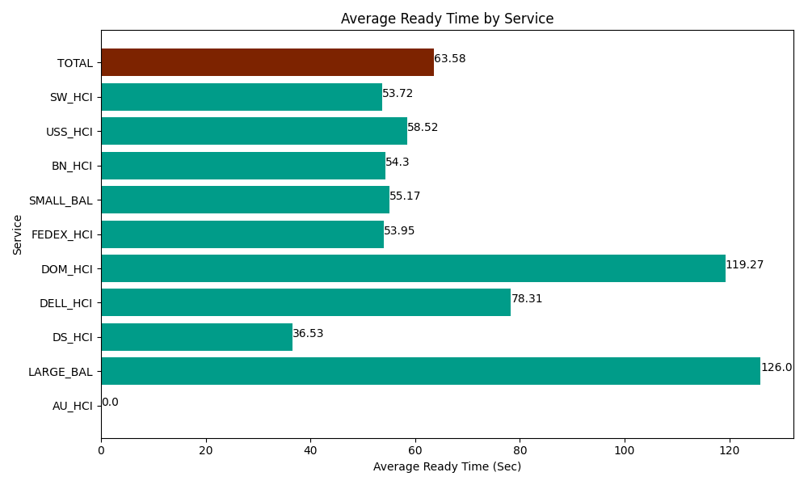
Date | Service | Successful Op Transfer | In Call (Sec) | Ready (Sec) | Wrapup (Sec) | Not Ready (Sec) | Average Ready Time (Sec)
03-29-2024 | AU_HCI | 0 | 0 | 348.00001144 | 0 | 1.7999999598 | 0
03-29-2024 | LARGE_BAL | 4 | 400.20000458 | 503.99997711 | 488.99997711 | 1562.9999542 | 126
03-29-2024 | DS_HCI | 345 | 25393.200073 | 12601.799927 | 43180.799561 | 26314.799194 | 36.53
03-29-2024 | DELL_HCI | 101 | 9765 | 7909.8001099 | 19117.800293 | 18631.199341 | 78.31
03-29-2024 | DOM_HCI | 162 | 7245 | 19321.799927 | 17557.800293 | 1594.7999954 | 119.27
03-29-2024 | FEDEX_HCI | 63 | 4009.1999817 | 3399.0000916 | 5208.0001831 | 4135.8000183 | 53.95
03-29-2024 | SMALL_BAL | 198 | 11029.200439 | 10923.000183 | 18223.200073 | 15293.999634 | 55.17
03-29-2024 | BN_HCI | 407 | 34060.799561 | 22099.799194 | 68105.998535 | 35372.999268 | 54.3
03-29-2024 | USS_HCI | 163 | 26077.199707 | 9538.7997437 | 18737.999268 | 5064.0000916 | 58.52
03-29-2024 | SW_HCI | 134 | 5374.8001099 | 7198.2000732 | 12248.999634 | 6550.8000183 | 53.72
 | TOTAL | 1577 | 123354.59988 | 93844.199238 | 202869.59782 | 114523.19751 | 63.58

